Merge BDN calculations
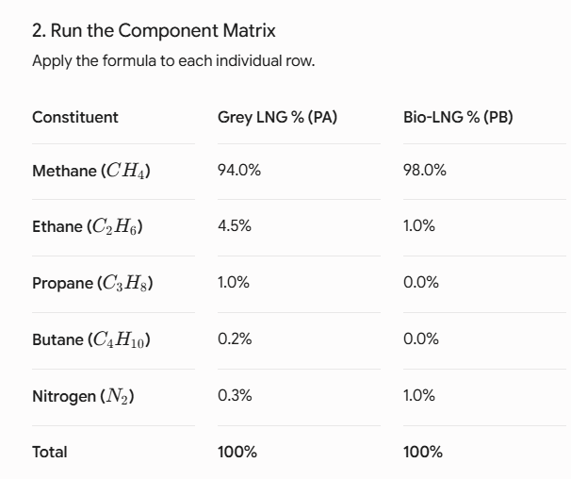
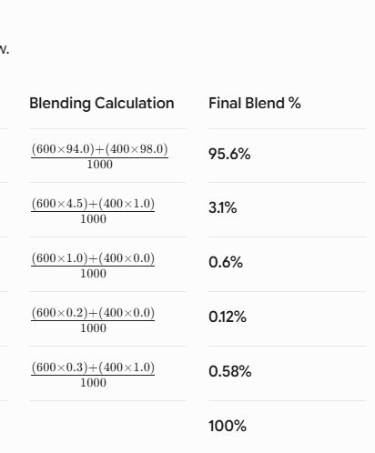
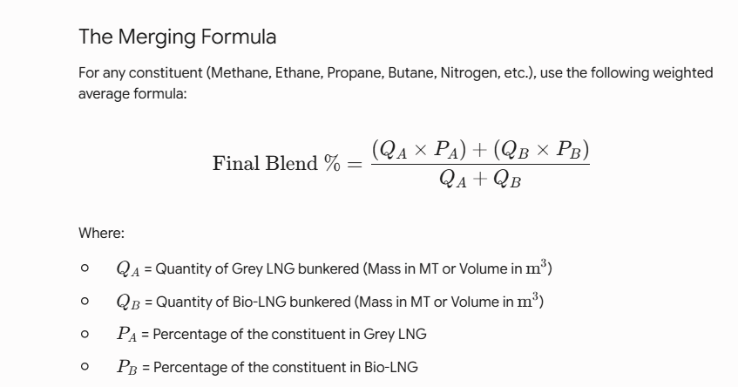
Constituent | Grey LNG % (PA​) | Bio-LNG % (PB​) | Blending Calculation
Methane (CH4​) | 94.69380% | 88.06000% | 92.11860%
Ethane (C2​H6​) | 3.88500% | 9.17000% | 5.93661%
Propane (C3​H8​) | 1.05550% | 1.94000% | 1.39886%
iso-Butane (C4​H10​) | 0.17880% | 0.18000% | 0.17927%
n-Butane (C4H10) | 0.16020% | 0.27000% | 0.20282%
iso-Pentane (i-C5H12) | 0.00370% | 0.04000% | 0.01779%
n-Pentane (n-C5H12) | 0.00100% | 0.03000% | 0.01226%
n-Hexane (n-C6H14) | 0.00000% | 0.06000% | 0.02329%
Nitrogen (N2​) | 0.02210% | 0.25000% | 0.11057%
Total | 100.00010% | 100.00000% | 100.00006%

BDN (MT) | 1499.487 | 951.432 | 2450.919

